Bugs List Juice Shop
Bug ID | Bug Description | Type | Severity | Reproduce | Expected/Improvement | Evidence
JS -1 | Sensitive data exposure when register user | Security | Critical | endpoint : https://juice-shop.herokuapp.com/api/Users/ request payload {"email":"juiceshop.olip@mailinator.com","password":"password123","passwordRepeat":"password123","securityQuestion":{"id":2,"question":"Mother's maiden name?","createdAt":"2024-11-12T11:51:11.473Z","updatedAt":"2024-11-12T11:51:11.473Z"},"securityAnswer":"Tatik"} | Use encryption for sensitive data such as PII
JS -2 | Inconsistent password's length requirement | UX | Minor | go to https://juice-shop.herokuapp.com/#/register and see password length requirement | as Jacob's Law Usability Heuristic stated, consistency is crucial to decrease user's cognitive load | 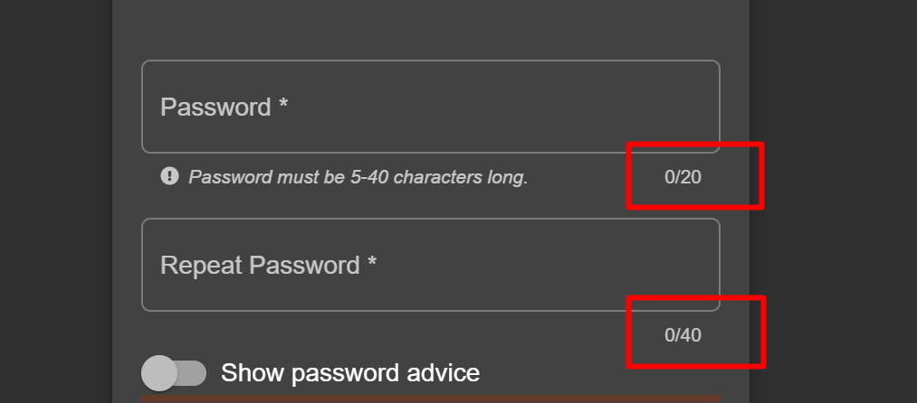
JS -3 | Web is not responsive to different screen size | UI | Minor | go to https://juice-shop.herokuapp.com and resize browser to smaller scale | responsive UX | 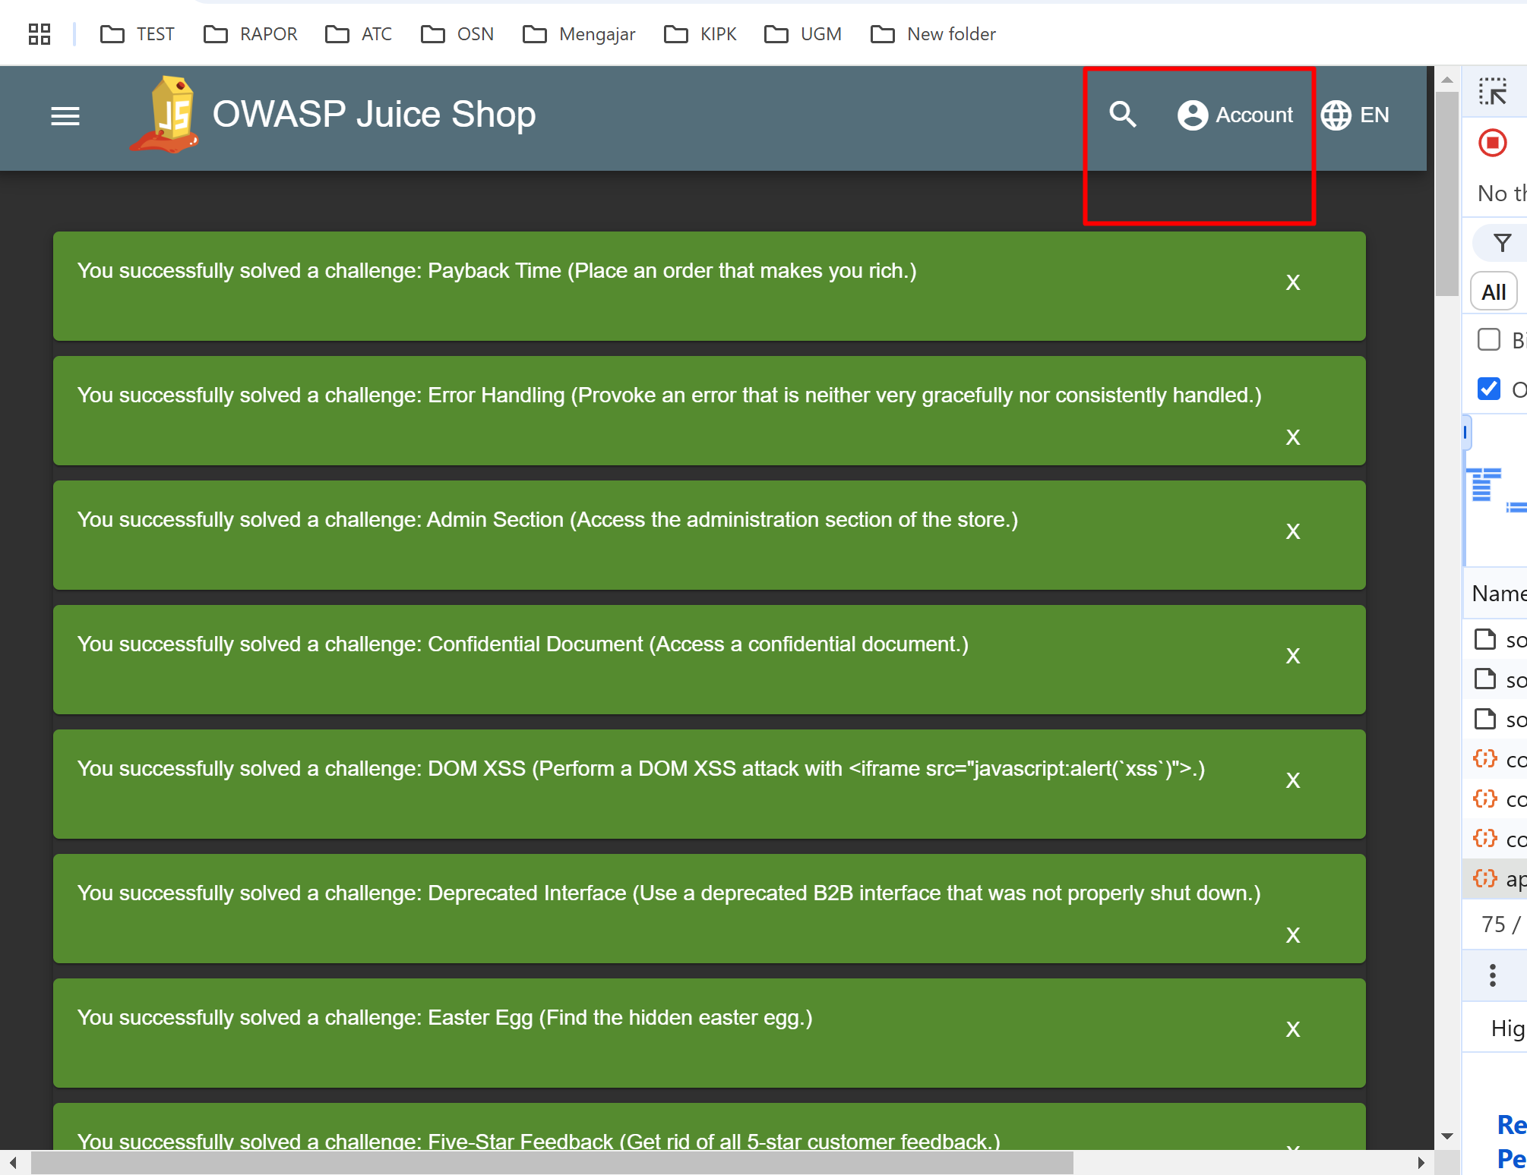 | 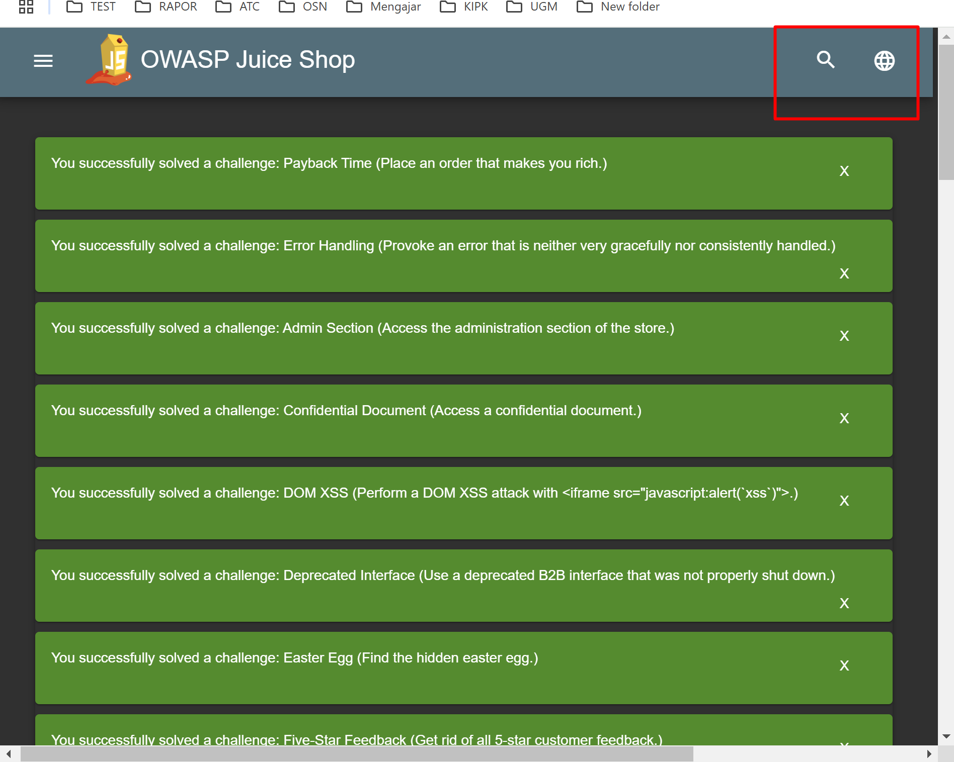
JS -4 | Cross Site Scripting | Security | Critical | enter this script in search field <iframe src="javascript:alert(`xss`)"> | sanitize input
JS -5 | SQL Injection | Security | Critical | enter random text and concated with basic sql injection cheat sheet such as inputasal' OR 1=1 -- and random password | sanitize input
JS -6
JS -7
JS -8
JS -9
JS -10
JS -11
JS -12
JS -13
JS -14
JS -15

